Cost Overview
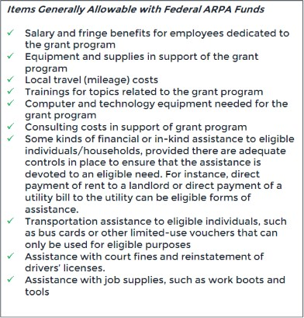
Ineligible Expenditures
Payments to individuals is prohibited use of grant funds
No payments to grant writers or board members
No gift cards except fuel cards
No stipends or incentives to program participants
Equipment $5,000 or more need City's approval
General advertising or marketing for a nonprofit
No food purchases unless tie to program or event
No cash payments to anyone

